Architecture
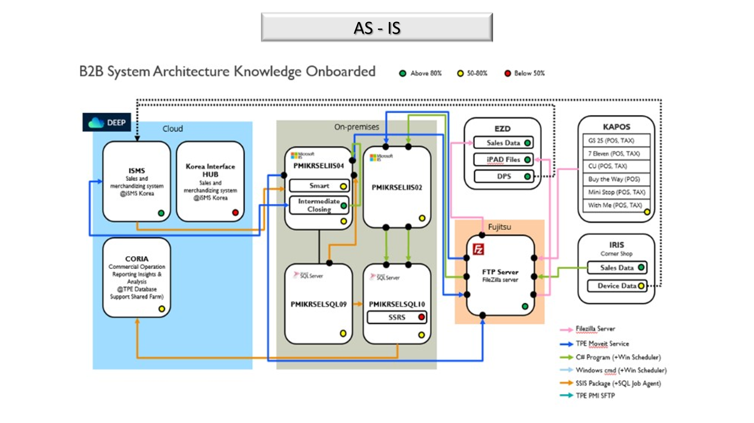
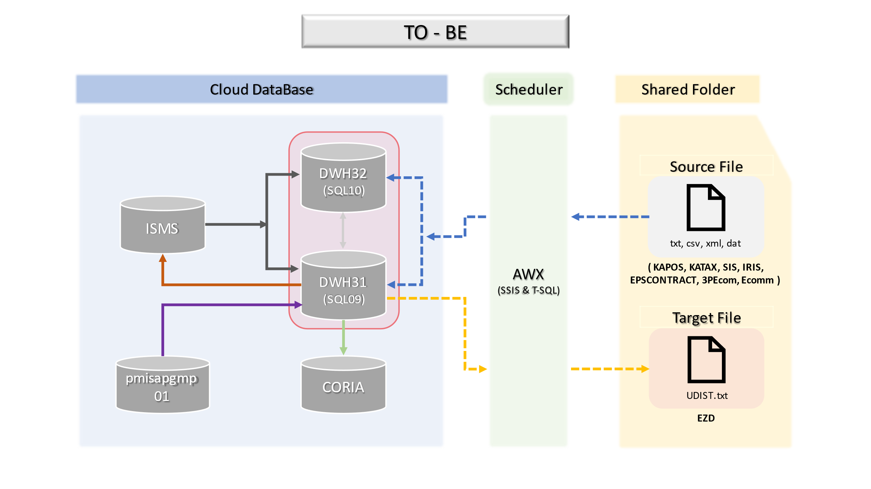
[필립모리스코리아 프로젝트] Cloud Migration Architecture

